Screen Description
 |  |  | [ros-2018] BASIC DESIGN |  |  | System name |  |  | Screen/Module Name
 |  |  |  |  |  | Golden Bowl |  |  | Admin Menu Page |  |  |  |  | Version | 2.000
 |  |  |  |  |  |  |  |  |  |  |  |  |  | Create Date | 2018-07-29 | Created By | Oplas, Andrew
 |  |  |  |  |  |  |  |  |  |  |  |  |  | Update Date | 2018-10-17 | Updated by | Oplas, Andrew

Screen Description |  |  |  |  |  |  |  |  |  |  |  |  |  | Purpose

 | 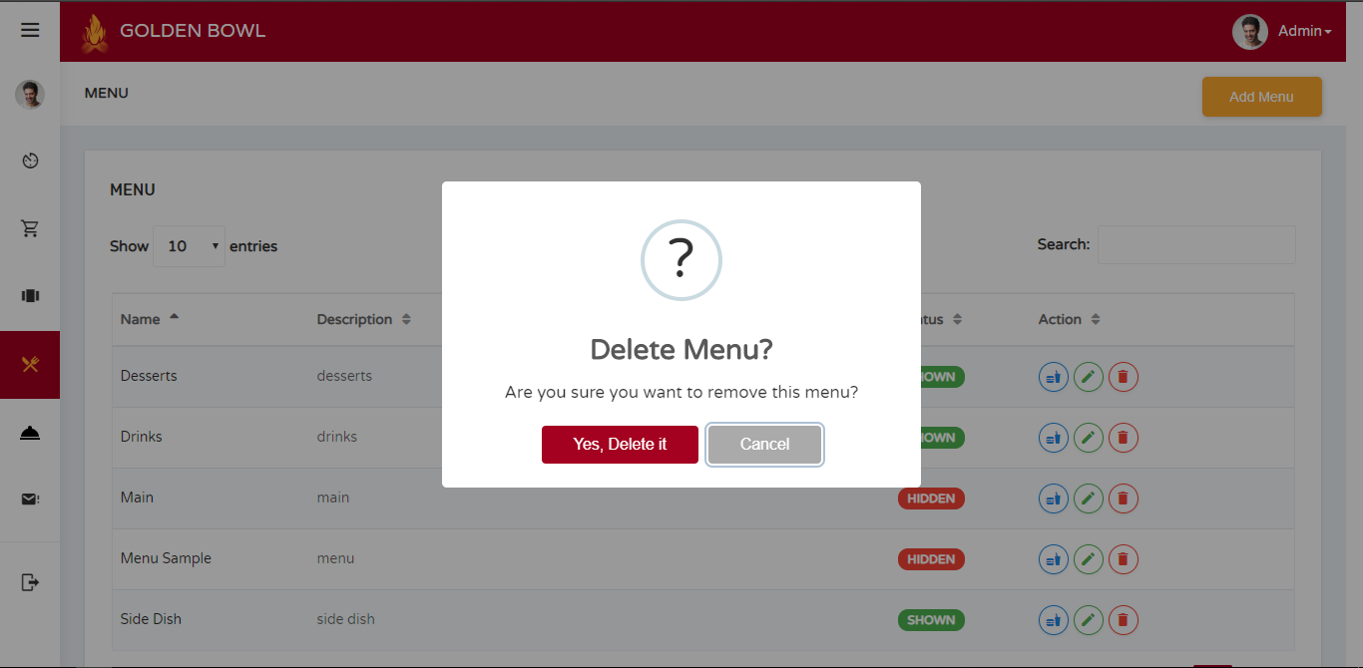 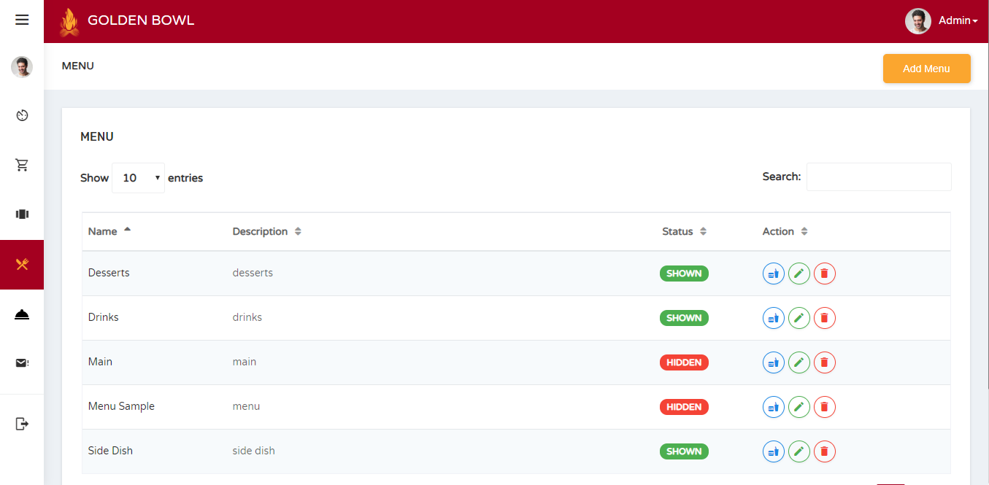 |  |  |  |  |  |  |  |  |  |  |  |  | The main purpose of this screen is to let the administrator view, add, delete and edit menus.

 |  |  |  |  |  |  |  |  |  |  |  |  |  | Flow

 |  |  |  |  |  |  |  |  |  |  |  |  |  | There is a sidebar where the admin can jump into multiple pages that he/she would like to.

Screen Details

 | Item | Screen Item |  | Attribute | Mandatory |  | Range of Values | Format |  | Length | Default | Alignment | Remarks
 | 1 | txtMenuDelete |  | TextField - Type: hidden | ○ |  | numeric values | N/A |  | 1 ~ 50 | NULL | Left | This input field is hidden to be submitted when deleting menu

